F. PAFs
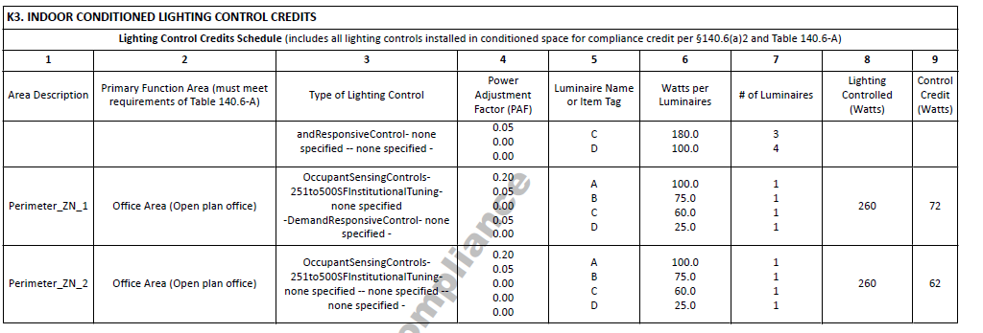
 |  | From NRCC |  |  | user Input |  | Calculated

Controls for Additional Wattage Credit (Power Adjustment Factor)
Controls in spaces listed in this table were designed to allow additional wattage as part of the strategy to comply with the Energy Code.
01 |  | 02 |  | 03 | 04 | 05 | 06 | 07
Area Description |  | Control(s) for Wattage Credit |  | Luminaires Controlled |  |  |  | Controls for Credit Compliance
 |  |  |  | Luminaire Name or Item Tag | Watts per Luminaire | Number of Luminaires | Lighting Controlled (Watts)
Per NRCC | Pc01_SpaceDescription PEFORMANCE SCHEMA TERMS BELOW LtgCredits01_SpaceName | Pc02a_ApplyDaylightDimmingPlusOff Pc02b_ApplyOccupantSensingControlsUpTo125SF c_ApplyOccupantSensingControlsFrom126To250SF Pc02d_ApplyOccupantSensingControlsFrom251To500SF Pc02e_ApplyInstitutionalTuningNonDaylit Pc02f_ApplyInstitutionalTuningDaylit Pc02g_ApplyDemandResponsiveControl Pc02h_ApplyClerestoryFenestrationPAF Pc02i_ApplyHorizontalSlatsPAF Pc02j_ApplyLightShelvesPAF Pu02a_ApplyDaylightDimmingPlusOff Pu02b_ApplyOccupantSensingControlsUpTo125SF Pu02c_ApplyOccupantSensingControlsFrom126To250SF Pu02d_ApplyOccupantSensingControlsFrom251To500SF Pu02e_ApplyInstitutionalTuningNonDaylit Pu02f_ApplyInstitutionalTuningDaylit Pu02g_ApplyDemandResponsiveControl Pu02h_ApplyClerestoryFenestrationPAF Pu02i_ApplyHorizontalSlatsPAF Pu02j_ApplyLightShelvesPAF | Pc02a_ApplyDaylightDimmingPlusOff Pc02b_ApplyOccupantSensingControlsUpTo125SF c_ApplyOccupantSensingControlsFrom126To250SF Pc02d_ApplyOccupantSensingControlsFrom251To500SF Pc02e_ApplyInstitutionalTuningNonDaylit Pc02f_ApplyInstitutionalTuningDaylit Pc02g_ApplyDemandResponsiveControl Pc02h_ApplyClerestoryFenestrationPAF Pc02i_ApplyHorizontalSlatsPAF Pc02j_ApplyLightShelvesPAF Pu02a_ApplyDaylightDimmingPlusOff Pu02b_ApplyOccupantSensingControlsUpTo125SF Pu02c_ApplyOccupantSensingControlsFrom126To250SF Pu02d_ApplyOccupantSensingControlsFrom251To500SF Pu02e_ApplyInstitutionalTuningNonDaylit Pu02f_ApplyInstitutionalTuningDaylit Pu02g_ApplyDemandResponsiveControl Pu02h_ApplyClerestoryFenestrationPAF Pu02i_ApplyHorizontalSlatsPAF Pu02j_ApplyLightShelvesPAF | Pc03_LuminaireName Pu03_LuminaireName PERFORMANCE SCHEMA TERMS BELOW LtgCredits03_LightingPowerAdjustmentFactorCreditType | Pc04_LuminairePower Pu04_LuminairePower PERFORMANCE SCHEMA TERMS BELOW LtgCredits06_LuminairePower | Pc05_LuminaireCountByType Pu05_LuminaireCountByType PERFORMANCE SCHEMA TERMS BELOW LtgCredits07_LuminaireCountByType | Pc06_LuminairePowerByType Pu06_LuminairePowerByType PERFORMANCE SCHEMA TERMS BELOW LtgCredits08_LuminairePowerInArea
As-built Conditions |  |  |  | Dropdown |  |  | = col04 x col05

 |  |  |  | Fixture Dropdown
 |  |  |  | Fixtures from fixture table

Sig Block


